RPW 5
MAGNETIC PARTICLE TEST REPORT
Carbon Energy Inspection Sdn Bhd

 | Customer / Client |  |  |  |  | : | Kelington Technologies Sdn.Bhd |  |  |  |  | Report No. |  |  | : | CE-21-MPT-KE-RPW5-007
 | Project / Rig |  |  |  |  | : | Synthomer Job6 Project 2020 |  |  |  |  | Date of Test |  |  | : | 21-Jan-21
 | Location of Test |  |  |  |  | : | Pasir Gudang, Johor

 | Test Procedure No. |  |  |  |  | : | CE-MT-01 Rev.2 |  |  |  |  | Test Specification |  |  | : | ASME sec V
 | Acceptance Criteria |  |  |  |  | : | AWS D1.1

 | Magnetization Unit |  |  |  |  | : | / | AC | DC |  | Permanent
 | Yoke Serial No |  |  |  |  | : | 1603044 |  |  |  |  | Pole Spacing |  |  | : | 3 inches to 8 inches
 | Flux Indicator |  |  |  |  | : | Chemitall Burma Castrol |  |  |  |  | Lifting Capacity |  |  | : | 40lbs (18.5KG)
 | Type Of Inspection |  |  |  |  | : | Wet |  |  |  |  | Contrast Paint |  |  | : | Sherwin White Contrast CP-2
 | Light Type |  |  |  |  | : | Natural |  |  |  |  | Magnetic Ink |  |  | : | Sherwin Black Oxide BO-1
 | Visible Light Intensity |  |  |  |  | : | 800-1000 lux |  |  |  |  | Method |  |  | : | Black and white

No. |  | DESCRIPTION |  |  |  |  |  |  |  |  | Joint No. | Size (inch) |  | Thick. (mm) |  |  | Material |  | Welding Process | Results
1 |  | RPW5 |  |  |  |  |  |  |  |  | JN 5 | - |  | 8 |  |  | CS |  | SMAW | ACC

REMARKS :
1. MPT was carried out on the mantioned item above.
2. No significant indication was noticed during inspection.
3. Refer attachment for details
Tested By: |  |  |  |  |  |  |  |  | Reviewed and Approved By: |  |  |  |  |  |  | Client's Representative:

Name |  |  | : | RODOLFO TINDIK |  |  |  |  | Name | : |  |  |  |  |  | Name |  | :
Qual |  |  | : | ASNT LEVEL II |  |  |  |  | Date | : |  |  |  |  |  | Date |  | :
Date |  |  | : | 21-Jan-21

MAGNETIC PARTICLE TEST REPORT
Carbon Energy Inspection Sdn Bhd

 | Customer / Client |  |  |  | : | Kelington Technologies Sdn.Bhd |  |  |  |  |  | Report No. |  |  | : | CE-21-MPT-KE-RPW5-007
 | Project / Rig |  |  |  | : | Synthomer Job6 Project 2020 |  |  |  |  |  | Date of Test |  |  | : | 21-Jan-21
 | Location of Test |  |  |  | : | Pasir Gudang, Johor

 | Attachment :

 | Figure 1: - JN 5 |  |  |  |  |  |  |  |  |  |  |  | Figure 2: - JN 5

 | 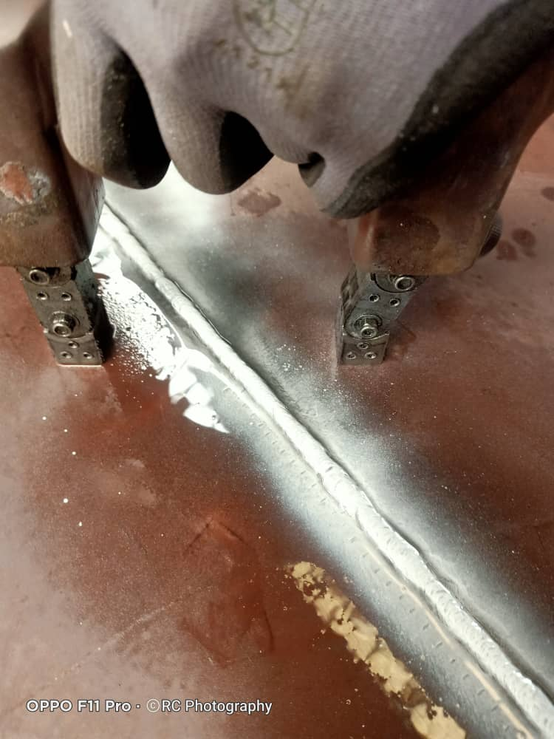 N/A |  |  |  |  |  |  |  |  |  |  |  | 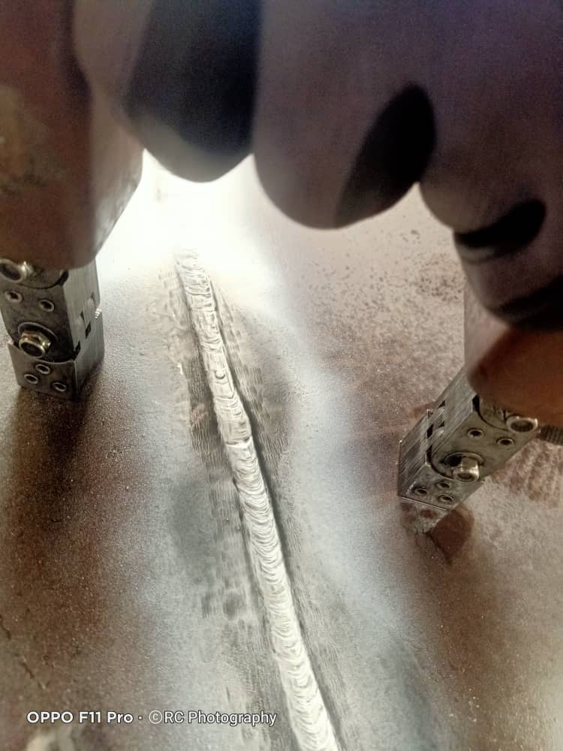 N/A

 | Figure 3: -JN 5 |  |  |  |  |  |  |  |  |  |  |  | Figure 4: -

 | 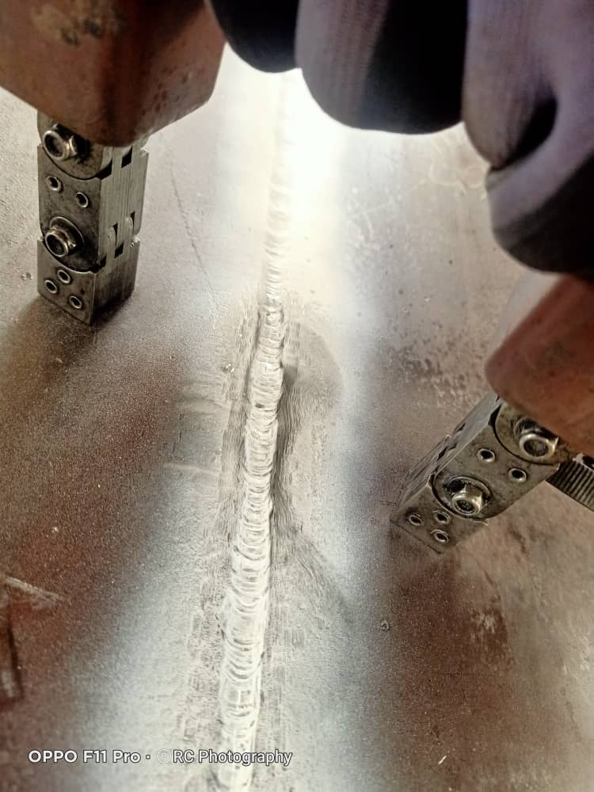 N/A |  |  |  |  |  |  |  |  |  |  |  | N/A

 | Figure 5: - |  |  |  |  |  |  |  |  |  |  |  | Figure 6: -

 | N/A |  |  |  |  |  |  |  |  |  |  |  | N/A

